Sheet1
Xcel IRP
https://www.greentechmedia.com/articles/read/xcel-energy-accelerates-coal-plant-closures-to-meet-100-clean-energy-goal
https://www.xcelenergy.com/staticfiles/xe-responsive/Company/Rates%20&%20Regulations/The-Resource-Plan-No-Appendices.pdf
https://www.greentechmedia.com/articles/read/xcel-targets-1.4b-in-wind-solar-investments-outlines-broader-carbon-reduction-goals
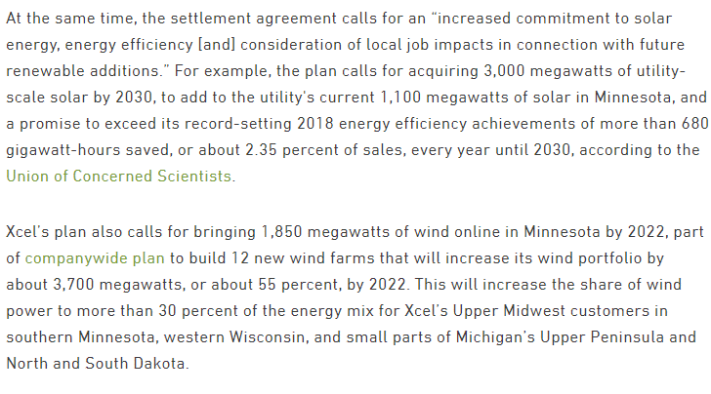
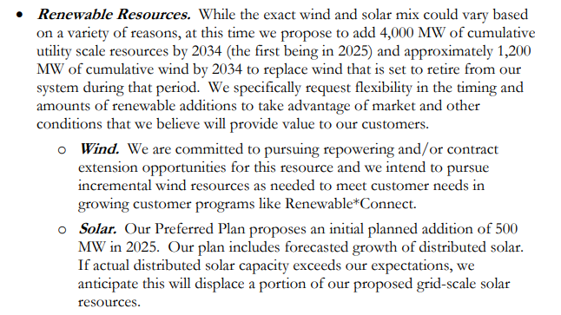
 | Additional capacity: |  |  | already have 1000 MW of solar

In Minnesota |  | 2025 | 2030 | 2034 | Total
 | solar pv | 450 | 3550 |  | 4000
 | wind | 650 |  | 1200 | 1200

